1. Title Page
Instacart Grocery Basket Analysis

Project Name: Instacart Grocey Basket Analysis
Date: 19.10.2022
Analyst Name: Anita Sola

Contents:
Population Flow
Consistency checks
Wrangling steps
Column derivations
Visualizations
Recommendations

DISCLAIMER:
"The Instacart Online Grocery Shopping Dataset 2017", accessed from https://www.instacart.com/datasets/grocery-shopping-2017 on 22.8.2022.
The customer data and the "prices" column in the products data set were both fabricated for the purpose of this analysis.

The data set does not contain data on quantities of bought products.

2. Population Flow
Title page

Population flow

Exclusion flag
Condition: max_order < 5
Obervations to be removed: 1.440.295
Final total count of order_products_all: 30.964.564

Orders_products_combined
Orders_products_merged
Orders_products_all

Total: 32.434.489
Total: 32.404.859
Total: 32.404.859

1.) The grey boxes in the first row of the population flow represent the original data sets as they were when I downloaded them. In the Total fields are the count of the rows when I imported the data set into Jupyter.
2.) The second row of boxes (coloured) represents the data sets after I manipulated them, e.g., removed missing values and duplicates. In the Total fields are the count of the rows after conducting these operations. This offers a visual oveview of how the data flows throughout the data consistency checks.
3.) The third row, where also the arrows are coloured, represents the merges I performed between the datasets. In the Total fields are count of the rows in the merged datasets and final dataset (in the red box). The final dataset is without exclusions (based on the exclusion flag).

3. Consistency checks
 |  |  |  | Title page
Consistency checks

Dataset | Missing values | Missing values treatment | Duplicates
orders | days_since_prior_orders | Flag column "new_customer" added | No duplicates were found
products | product_name | Subset without the rows with missing data created | Subset without the duplicate rows created
orders_products_prior |  | No missing values were found | No duplicates were found
customers | first_name | The entire column was dropped because of the privacy issues | No duplicates were found

4. Wrangling steps
 |  |  |  | Title page
Wrangling steps

Columns dropped | Columns renamed | Columns' type changed | Comment/Reason
df_orders['eval_set'] |  |  | The column contains only one, redundant value.
 | df_orders['order_dow'] |  | Changed to order_day_of_week
 |  | df_orders['order_id'] | Type changed from int to string
 |  | df_orders['user_id'] | Type changed from int to string
df_orders['Unnamed: 0'] |  |  | Duplicate index column
df_orders_and_products['_merge'] |  |  | Unnecessary column
 | df_customers['First Name'] |  | Changed to first_name
 | df_customers['Surnam'] |  | Changed to last_name
 | df_customers['STATE'] |  | Changed to state
 | df_customers['Gender'] |  | Changed to gender
 | df_customers['Age'] |  | Changed to age
 | df_customers['n_dependants'] |  | Changed to no_of_dependants
 | df_customers['fam_status'] |  | Changed to marital_status
 |  | df_customers['user_id'] | Type changed from int to string
 |  | df_customers['first_name'] | Type changed to string for all values
 |  | df_orders_products_aggregated['user_id', 'order_id', 'order_number'] | Type changed to string for all values
df_opc['first_name', 'last_name'] |  |  | Privacy issues
df_opc['_merge', 'aisle_id']

5. Column derivations
 |  |  |  | Title page

Column derivations and aggregations

Dataset | New column | Column/s it was derived from | Conditions
df_orders_products_new_variables | max_order | customer_id, order_number | maximum orders per customer
df_orders_products_new_variables | loyalty_flag | max_order | if 'max_order' > 40, then 'Loyal customer' if 'max_order' <= 40 and > 10, then 'Regular customer' if 'max_order' < 10, then 'New customer'
df_orders_products_new_variables | spender_flag | average_price_product | if 'average_price_product' < 10, then Low spender, else 'High spender'
df_orders_products_new_variables | frequency_flag | median_days_between_orders | if 'median_days_between_orders' > 20, then 'Non-frequent customer' if 'median_days_between_orders' <= 20 and > 10, then 'Regular customer' if 'median_days_between_orders' < 10, then 'Frequent customer'
df_orders | new_customer | days_since_prior_orders | if 'days_since_prior_orders' = 0, then True, else False
orders_products_merged | price_range | prices | if 'prices' <= 5, then 'Low-range product' if 'prices' > 5 and <= 15, then 'Mid-range product if 'prices' > 15, then 'High-range product'
 | busiest_day | order_day_of_week | if 'orders_day_of_week' = 0, then 'Busiest day' if 'orders_day_of_week' = 4, then 'Least busy' else, 'Regularly busy'
 | busiest_days | order_day_of_week | if 'order_day_of_week' is 0 or 1, then 'Busiest days' if 'order_day_of_week' is 3 or 4, then 'Least busy days' if 'order_day_of_week' is 6, 2 or 5, then 'Regularly busy days'
 | busiest_period_of_day | order_hour_of_day | if 'order_hour_of_day' > 8 and < 17, then 'Extreme' if 'order_hour_of_day' = 8 AND 'order_hour_of_day' > 16 and < 19, then 'Very high' if 'order_hour_of_day' = 23 AND 'order_hour_of_day' >= 0 and < 7, then 'Low' if 'order_hour_of_day' = 7 AND 'order_hour_of_day' > 18 and < 23, then 'Average'
 | mean_order_price | customer_id, prices
df_opc | region | state | States are grouped by the US regions
 | department | department_id | Text labels for departments
 | order_day_of_week | orders_day_of_week | Text labels for days of the week
 | age_group | age | if 'age' < 25, then 'Young adult' if 'age' >= 25 AND 'age' < 45, then 'Adult' if 'age' >= 45 AND 'age' < 60, then 'Middle age' if 'age' >= 60, then 'Senior
 | income_group | income | if 'income' <= 52200, then 'Low income' if 'income' > 52200 AND 'income' <= 156600, then 'Middle income' if 'income' > 156600, then 'High income'
 | dependant_flag | no_of_dependants | if 'no_of_dependants' = 0, then 'No dependants' else 'Has dependants'
 | gluten_flag | department, value 'bakery' | if value in department is 'bakery', then 'Gluten tolerant', else 'Gluten intolerant'

6. Visualizations
 |  |  |  |  |  | Title page

Visualisations

Even though the distribution of orders throughout the week is in narrow range, the orders peak during the weekend.
 | 1. Time analysis: deciding when and what will be advertised
 | 1.1 Busiest days of the week by the number of orders
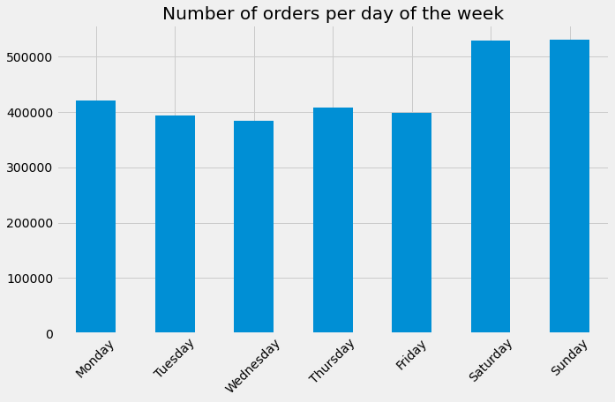
 | 1.2 Busiest time of the day by the number of orders
 | 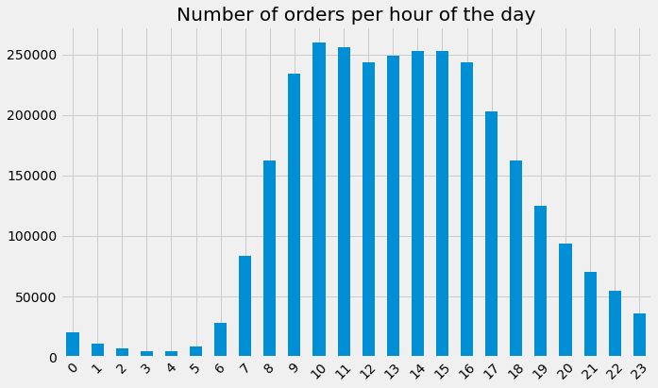
 | 1.3 Hours of the day by the sum and the mean of the unit prices
The most orders are placed between 9 and 16 AM, but the mean price of the orders is the same, regardless of the time of the day it was placed. Naturally, since there are differences between the number of orders placed during each hour, the line chart of the sum of prices of all orders by hour has the same shape as the histogram of the number of orders per hour.
 | 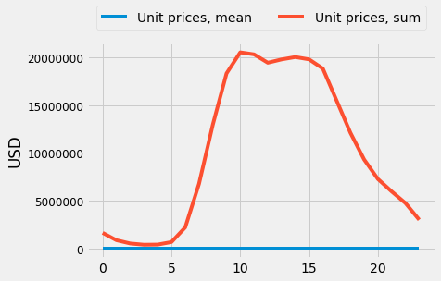
 | 2. Products analysis: price ranges and department popularity
 | 2.1 Products per price range
 | 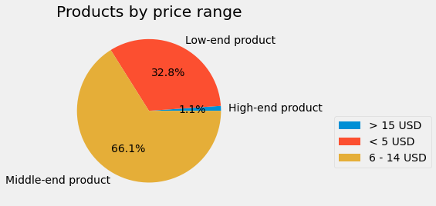
 | 2.2 Product popularity by department
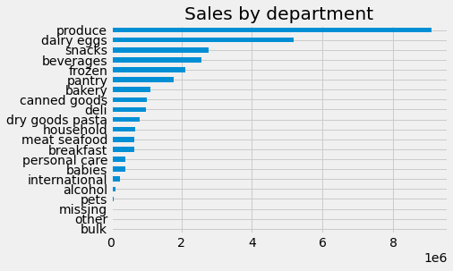
 | 3. Customer analysis: differences in ordering behaviour
 | 3.1 Customers and brand loyalty
 | 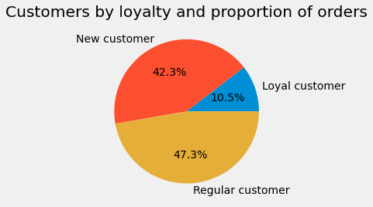 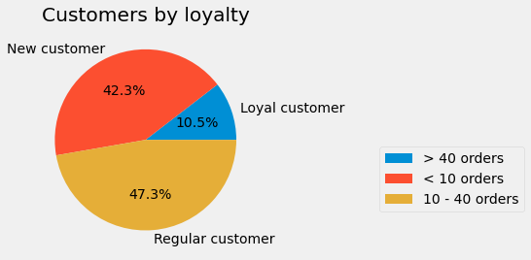 |  |  |  | 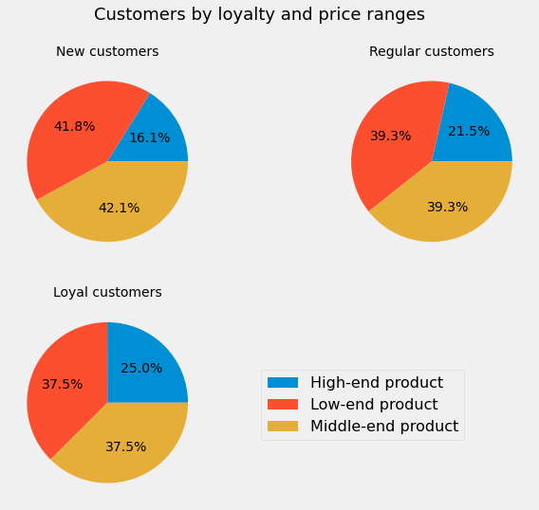 |  |  | 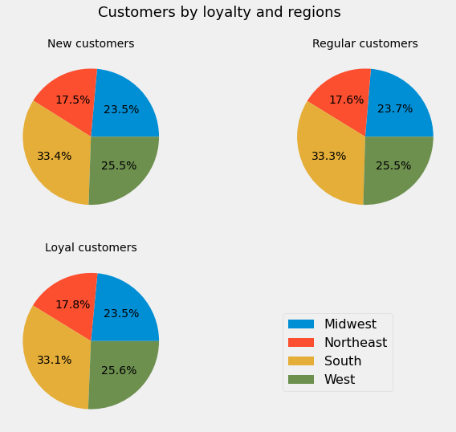
The proportion of customers by loyalty (determined by the number of the placed orders) corresponds to the proportion of the number of orders placed by each group.
The affinity to price ranges changes depending on the number of placed orders: while the proportion of the middle-end products is very similar, new customers prefer low-end products and loyal customers order the most of the high-end products.
There is no correlation between the sold quantities and the size of the department.
 | 3.2 Customers and ordering habits
 | 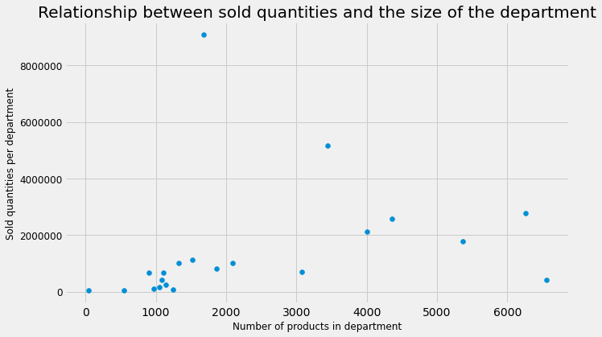
 | 3.3 Geographical analysis
 | 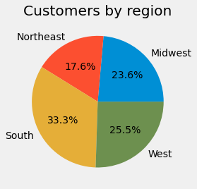 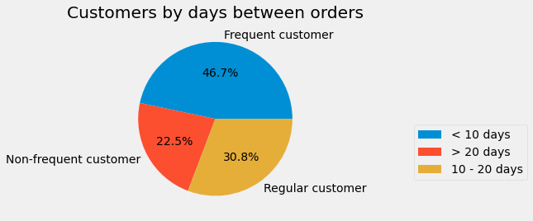 | 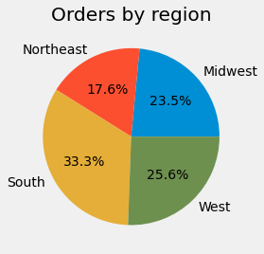 |  | 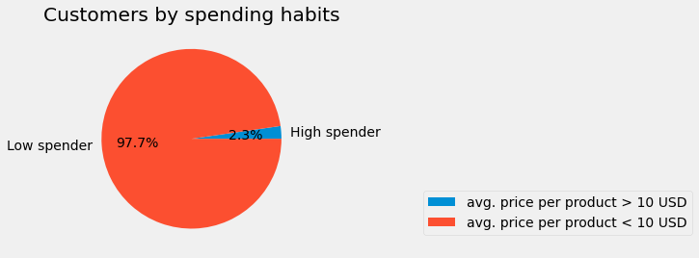
The proportion of customers across regions translates to the distribution of the orders made by each region.
The same goes for the distribution of customers by the mean number of days between orders (i.e. frequency of ordering) and the spending habits (i.e. average value of ordered products): the proportions are the same for the entire dataset and the geographical subsets.
 | 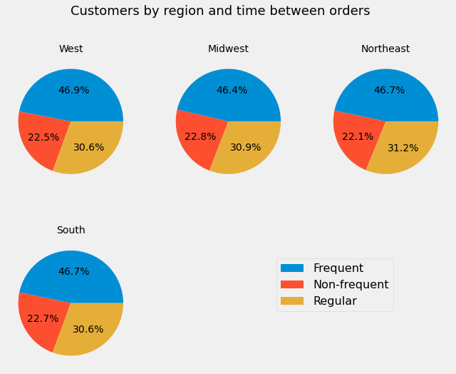 |  |  |  | 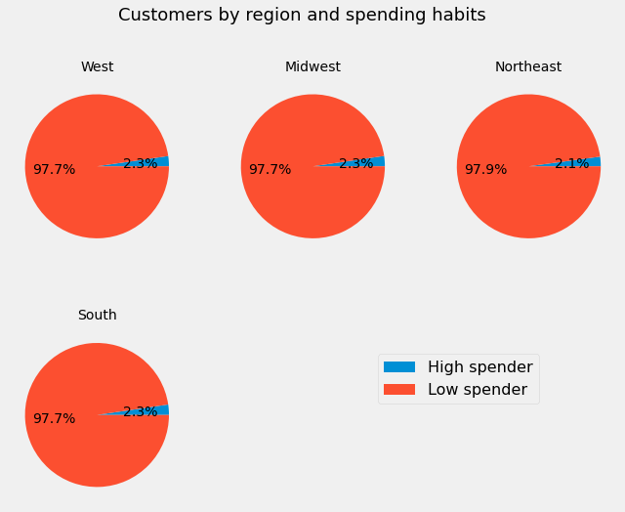
 | 3.4 Demographical analysis - age
 | 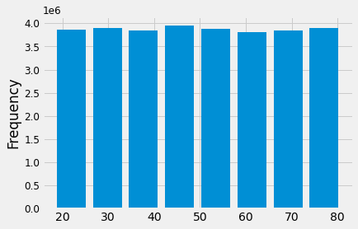 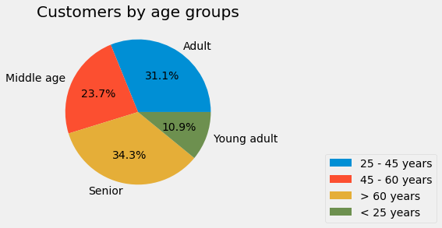 |  |  |  | 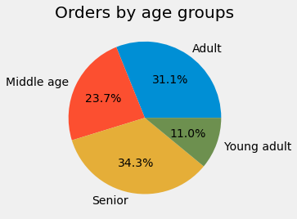 |  |  |  | 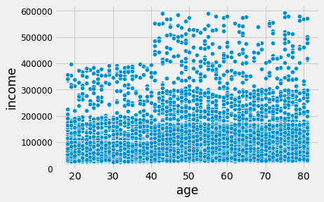

The proportion of customers by age groups translates to the distribution of orders made by each age group.
As before, the same goes for the distribution of customers by the mean number of days between orders (i.e. frequency of ordering) and the spending habits (i.e. average value of ordered products): the proportions are the same for the entire dataset and the age subsets.
The proportion of customers by familial status translates to the distribution of orders made by each group.
As before, the same goes for the distribution of customers by the mean number of days between orders (i.e. frequency of ordering: the proportions are the same for the entire dataset and the familial subsets.
 | 3.5 Demographical analysis - familial status
 | 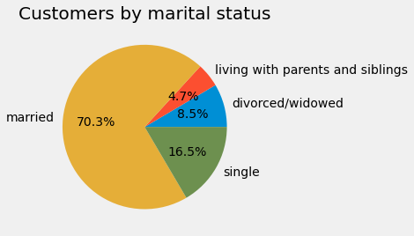 |  |  | 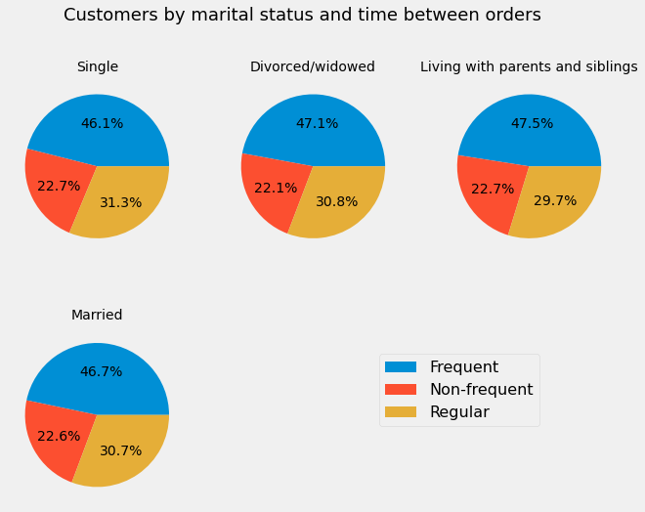  |  |  | 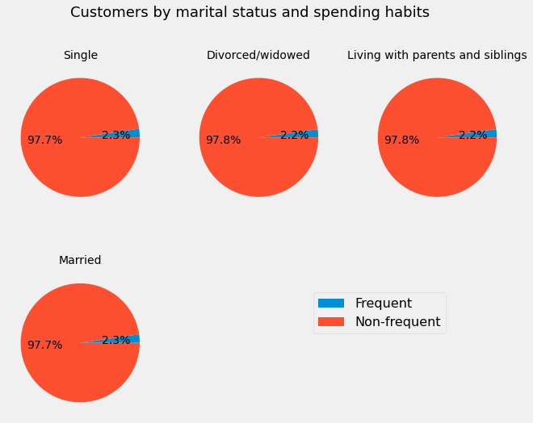

The proportion of customers by income groups translates to the distribution of orders made by each income group.
As before, the same goes for the distribution of customers by the mean number of days between orders (i.e. frequency of ordering): the proportion is the same for the entire dataset and the age subsets.
However, the proportion of customers by income and spending habits is different for the entire data set and the income subsets: as should be expected, customers with low income barely order expensive products, while customers with high income spend over 10% of their money on expensive products, which is four times more than the value for the entire data set.
 | 3.6 Demographical analysis - income
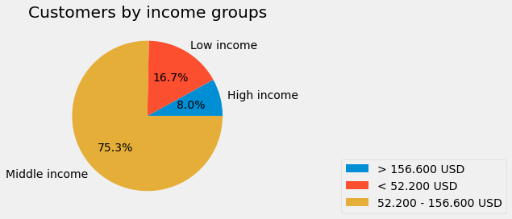 |  |  |  | 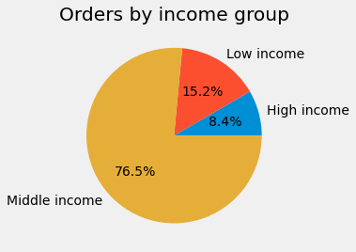
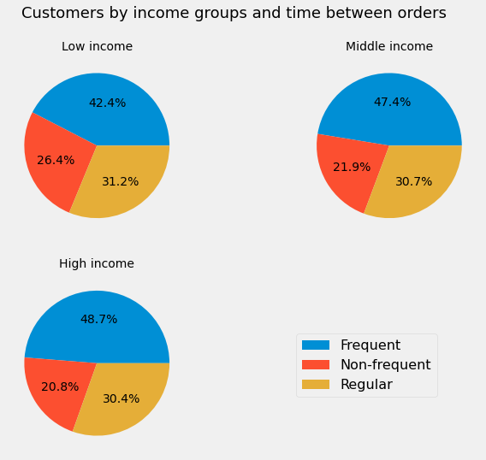 |  |  |  | 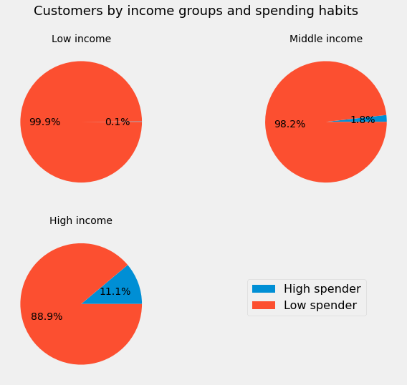

 | 4. Customer profiling:
 | 4.1 Income and age
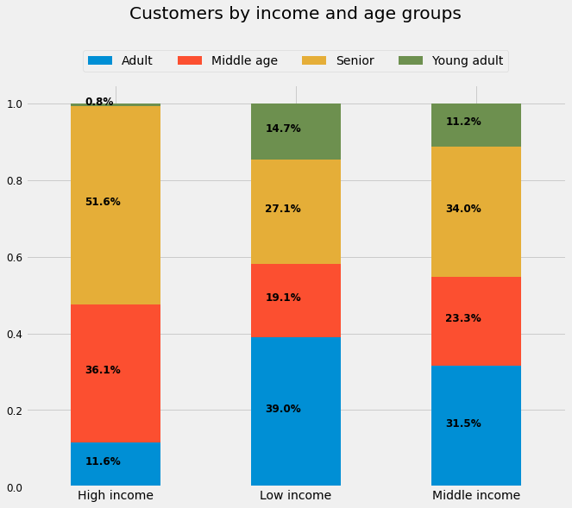 |  |  |  | 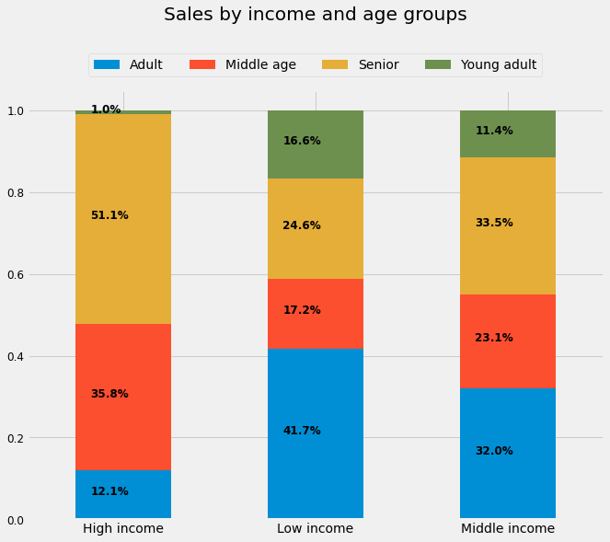
The proportion of customers by income and age translates to the distribution of orders made by each income group.
However, the distribution of age groups by income is unexpected: the senior age group accounts for more than 50% of the high income group, which suggests that retirees have higher income than working adults and middle adults.
This is most likely because of the also unusually even distribution of customers per 10-year age bins and the uneven number of 10-year age bins in each age group.
Gluten tolerance was determined based on the values of the 'department' column: if the customer bought products from the 'bakery' department, they're considered to be gluten tolerant.
The data shows that almost a quarter of customers is gluten intolerant, but the age distribution in both subgroups is the same.
 | 4.2 Profile: Gluten tolerance
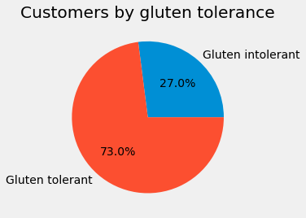 |  |  | 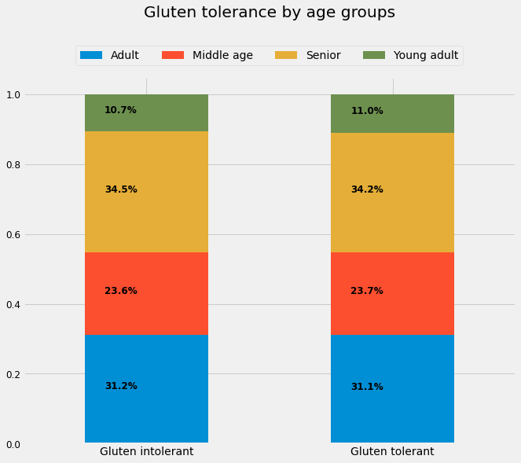

7. Recommendations
 | Title page

Recommendations

1. Temporal analysis: deciding when and what will be advertised
QUESTION
The sales team wanted to know the days of the week and hours of the day with fewer orders so that they could schedule ads at those times and, presumably, boost sales.
ANALYSIS
Tha analysis showed that the distribution of orders during the week is within a relatively narrow range, but peaks are still visible: the days with most orders are Saturday, Sunday and Monday, with Wednesday being the day with the lowest number of placed orders.
As for the specific times of the day when customers spend the most money, the most orders are placed between 9 and 16 AM. However, the mean price of the products in orders is the same regardless of the time of the day it was placed.
RECOMMENDATION
Ads can be scheduled throughout the week and day evenly, with slight emphasis on Wednesdays, and early mornings (5 - 8 AM) and late afternoons (17 to 20 PM). The number of orders during the remaining hours of the day is extremely low compared to the average number of orders or peak hours to justify any special financial efforts.
QUESTION
The marketing and sales departments wanted to simplify pricing and to know are there departments that are especially popular with the customers.
ANALYSIS
The products were distributed into three price ranges: low, middle and high end products. Low-end products are all products with price per unit below 5 USD, middle-end products are priced from 6 to 14 USD and high-end products have prices over 15 USD per unit. Around 66% of all of the Instacart's products are middle-end products and 33% are low-end products with only 1% of the products costing more than 15 USD.
However, the distribution of the price ranges per individual departments is interesting: there are only three departments with products in the high-end range (dairy/eggs, meat/seafood, and pantry).
Dairy/eggs and pantry have the 70 - 30 distribution of products between low and middle end products, with only a couple of products in the high-end range.
But, the meat/seafood department is differs from all other departments in two ways: firstly, it does not have products in the low-end range and more than 60% of the products in this department are in the high-end range.
The most popular departments are produce and dairy/eggs.
RECOMMENDATION
The sales can be boosted either by strongly increasing the quantities of the low and middle-priced products, or by smaller increase in quantites of high-end products.
Meat/seafood department seems the obvious choice: the volume of sales in this department is low, so increasing it would probably be simpler than in the already voluminous departments such as produce and dairy/eggs.
Since the average price per product in the seafood/meat department is double the average price of other departments, to yield the same financial benefit, the increase in volume of sales in seafood/meat department can be half of the increase in the other departments.
2. Products analysis: price ranges and department popularity
 |  | 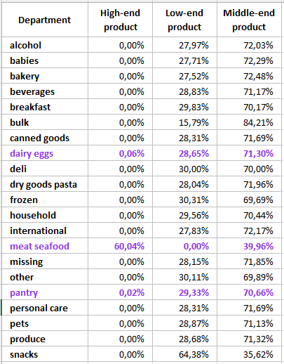 | 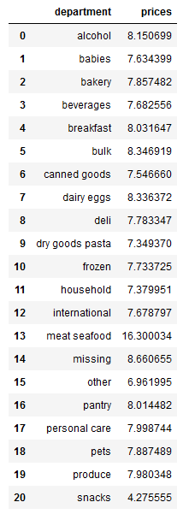

3. Customer analysis: differences in ordering behaviour
QUESTION
The marketing and sales department wanted to know are there differences in ordering habits and behaviour of the customers based on brand loyalty and demographical and geographical characteristics.
ANALYSIS
The ordering habits are viewed using three main criteria:
1. Brand loyalty which is determined by the number of placed orders,
2. Frequency of ordering which is determined by the average number of days between orders, and
3. Spending habits which are determined by the average price of the products purchased by a customer.
The analysis has shown in almost all instances that, regardless of the filtering, grouping and/or aggregation, the distributions of customers in subgroups by these three criteria are the same as the distribution for the entire data set.
The only instance of significant difference between the distribution of the data set and a subgroup was in case of spending habits in income groups: as should be expected, customers with low income barely order expensive products, while customers with high income spend over 10% of their money on expensive products, which is four times more than the value for the entire data set.
As for the geographical analysis, apart from slight differences in the size of the market share, there are no significant differences between customer behaviour based on theri geographical location.
RECOMMENDATION
The uniform distribution of the three main criteria in the entire data set and its subsets simplifies decision-making, since a unified strategy will work for all the Instacart's customers, regardless of the subgroup.
In that light, boost in sales can be achieved by increasing a number of placed orders either by reducing the average number of days between orders for non-frequent and regular customers, or by increasing the proportion of high spenders.

4. Customer profiling
QUESTION
The marketing and sales department wanted to know are there any specific customer profiles and are there differences between ordering habits between them.
ANALYSIS
As previously stated, ordering habits viewed through the three main criteria are uniform across both the entire data set and its subsets, so diferences in this area are not expected, regardless of the profiling.
Special attention was given to the income - age grouping and this analysis yielded unexpected results: the senior age group accounts for more than 50% of the high income group, which suggests that retirees have higher income than working adults and middle adults.
This is most likely because of the also unusually even distribution of customers per 10-year age bins and the uneven number of 10-year age bins in each age group.
As an example of micro-profiling, customers were divided based on their gluten (in)tolerance which was crudely determined based on whether or not a customer ordered a product from the 'bakery' department, which showed that almost 30% of customers are gluten intolerant.
RECOMMENDATION
Apart from the above mentioned recommendations, increase in brand loyalty can be achieved by focusing on the specific needs of the customers, such as special dietary requirements.
Gluten-free products are generally more expensive than 'regular' products, and are usually a rare occurence in general stores. Increasing the number of gluten-free products could attract new customers and, given the price difference compared to 'regular' products, increse sales faster than focusing on increasing the number of gluten tolerant customers.
The same principle can be applied to lactose (in)tolerance, or exotic foods.
Disclaimer: it should be mentioned that the available data set does not contain data on quantities of bought products, which prevents determining the actual financial benefits, and in all likelyhood, the results of the analysis would be significantly different.

